Sheet1
Perycites |  |  |  |  |  |  | Affected vessel
# | x-coord (µm) | y-coord (µm) | z-coord (µm) | Is it dead? | Slice # | µm from node | Length (um) | Tortuosity
1 | 474 | 481 | 14 |  |  |  | 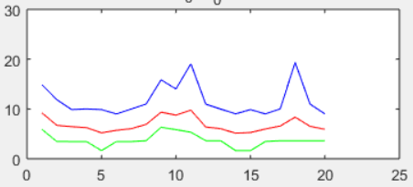
2 | 478 | 452 | 46
3 | 643 | 702 | 54
4 | 591 | 870 | 49
5 | 386 | 632 | 51
6 | 397 | 601 | 74
7 | 358 | 683 | 15
8 | 239 | 623 | 47
9 | 273 | 556 | 36
10 | 224 | 512 | 18
11 | 371 | 390 | 45
12 | 141 | 465 | 68
13 | 25 | 702 | 39
14 | 167 | 643 | 47
15 | 314 | 752 | 46
16 | 119 | 795 | 51
17 | 169 | 813 | 57
18 | 307 | 949 | 68
19 | 401 | 866 | 73
20 | 434 | 986 | 56
21 | 528 | 1002 | 61
22 | 826 | 995 | 63
23 | 918 | 1003 | 38
24 | 872 | 762 | 33
25 | 797 | 556 | 59
26 | 976 | 620 | 13
27 | 948 | 696 | 38
28 | 1007 | 774 | 58
29 | 823 | 319 | 17
30 | 814 | 487 | 19
31 | 799 | 449 | 58
32 | 802 | 403 | 62
33 | 749 | 460 | 41
34 | 701 | 460 | 54
35 | 662 | 265 | 59
36 | 709 | 200 | 66
37 | 734 | 244 | 73
38 | 826 | 300 | 59
39 | 1003 | 192 | 60
40 | 883 | 246 | 10
41 | 796 | 95 | 37
42 | 760 | 7 | 65
43 | 697 | 103 | 30
44 | 655 | 331 | 21
45 | 390 | 160 | 22
46 | 373 | 58 | 77
47 | 269 | 97 | 12
48 | 198 | 186 | 55
49 | 50 | 163 | 50

